Containers
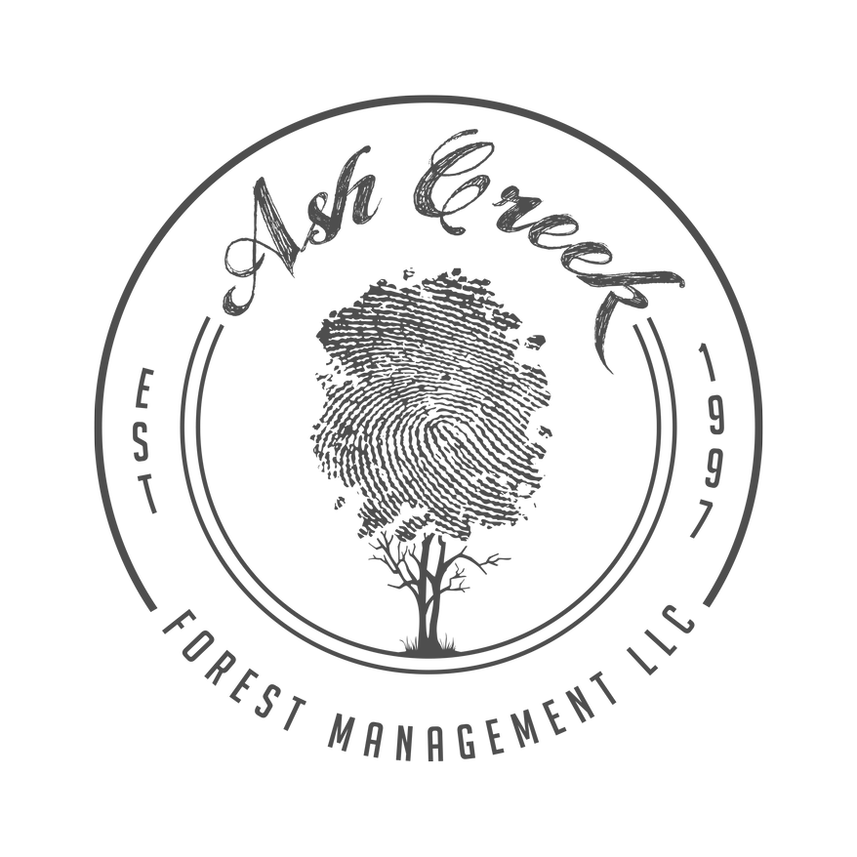 | Call 503.523.7431 Located at 30580 SW Unger Rd, Cornelius |  |  | 50+ Containers or 250+ Plugs for wholesale price! | nursery@ashcreekforestry.com
Scientific Name | Common Name | Source | Size | Price Wholesale | Price Retail | Available Now | Available Winter 23/24 | Available Spring 24 | # ordered | price | name of project:
Abies grandis | Grand Fir | Hand Rescued | #1 | $7.50 | $12.50 | 13 | 0 | 0 |  | 0.00 | total # of plants: | 0
Abies grandis | Grand Fir | Hand Rescued | #5 | $20.00 | $25.00 | 0 | 0 | 1 |  | 0.00
Acer circinatum | Vine Maple | Hand Rescued | #10 | $40.00 | $75.00 | 0 | 0 | 3 |  | 0.00
Acer circinatum | Vine Maple | Hand Rescued | #10 | $40.00 | $75.00 | 0 | 0 | 1 |  | 0.00
Acer circinatum | Vine Maple | Hand Rescued | #15 | $75.00 | $90.00 | 0 | 0 | 2 |  | 0.00
Acer circinatum | Vine Maple | Hand Rescued | #5 | $20.00 | $25.00 | 0 | 0 | 3 |  | 0.00
Acer macrophyllum | Big Leaf Maple | Hand Rescued | #1 | $7.50 | $12.50 | 0 | 0 | 3 |  | 0.00
Acer macrophyllum | Big Leaf Maple | Hand Rescued | #5 | $20.00 | $25.00 | 2 | 0 | 0 |  | 0.00
Acer macrophyllum | Big Leaf Maple | Hand Rescued | #10 | $40.00 | $75.00 | 0 | 0 | 5 |  | 0.00
Acer macrophyllum | Big Leaf Maple | Hand Rescued | #10 | $40.00 | $75.00 | 0 | 0 | 2 |  | 0.00
Acer macrophyllum | Big Leaf Maple | Hand Rescued | #15 | $75.00 | $90.00 | 0 | 0 | 1 |  | 0.00
Acer macrophyllum | Big Leaf Maple | Hand Rescued | #25 | $150.00 | $200.00 | 0 | 0 | 2 |  | 0.00
Acer macrophyllum | Big Leaf Maple | Hand Rescued | #3 | $12.00 | $18.00 | 0 | 0 | 9 |  | 0.00
Acer macrophyllum | Big Leaf Maple | Hand Rescued | #5 | $20.00 | $25.00 | 0 | 0 | 20 |  | 0.00
Achillea millefolium | Yarrow | Seed | 4.5" Container | $3.00 | $4.00 | 0 | 0 | 400 |  | 0.00
Agrostis exarata | Spike Bentgrass | Seed | 4.5" Container | $3.00 | $4.00 | 0 | 0 | 250 |  | 0.00
Allium amplectens | Norrow-Leaved Onion | Bulb Surplus | #1 | $5.50 | $8.00 | 0 | 0 | 510 |  | 0.00
Alnus incana | Speckled Alder | Bare-root Surplus | #1 | $5.50 | $8.00 | 264 | 0 | 0 |  | 0.00
Alnus rubra | Red Alder | Hand Rescued | #10 | $40.00 | $50.00 | 1 | 0 | 0 |  | 0.00
Alnus rubra | Red Alder | Hand Rescued | #15 | $75.00 | $100.00 | 3 | 0 | 0 |  | 0.00
Alnus rubra | Red Alder | Hand Rescued | #3 | $12.00 | $18.00 | 1 | 0 | 0 |  | 0.00
Alnus rubra | Red Alder | Hand Rescued | #10 | $40.00 | $75.00 | 0 | 0 | 1 |  | 0.00
Alnus rubra | Red Alder | Hand Rescued | #15 | $75.00 | $90.00 | 0 | 0 | 4 |  | 0.00
Alnus rubra | Red Alder | Hand Rescued | #25 | $150.00 | $200.00 | 0 | 0 | 10 |  | 0.00
Alnus rubra | Red Alder | Hand Rescued | #45 | $300.00 | $400.00 | 0 | 0 | 3 |  | 0.00
Anaphalis margaritacea | Pearly Everlasting | Hand Rescued | #1 | $7.50 | $12.50 | 0 | 0 | 39 |  | 0.00
Calocedrus decurrens | Incense Cedar | Bare-root Surplus | #1 | $5.50 | $8.00 | 357 | 0 | 0 |  | 0.00
Camassia quamash | Common Camas | Bulb Surplus | #1 | $5.50 | $8.00 | 0 | 0 | 196 |  | 0.00
Carex microptera | Small Winged Sedge | Seed | 4.5" Plugs (Sold in 50s) | $0.50 | $1.00 | 1150 | 3200 | 0 |  | 0.00
Carex obnupa | Slough Sedge | Seed | 1" Plugs (sold in 50s) | $0.35 | $0.75 | 2650 | 0 | 0 |  | 0.00
Carex obnupa | Slough Sedge | Seed | 4.5" Plugs (Sold in 50s) | $0.50 | $1.00 | 4750 | 19850 | 0 |  | 0.00
Carex unilateralis | One Sided Sedge | Seed | 4.5" Plugs (Sold in 50s) | $0.50 | $1.00 |  | 650 | 8500 |  | 0.00
Ceanothus cuneathus | Buckbrush | Bare-root Surplus | #1 | $5.50 | $8.00 | 125 |  | 124 |  | 0.00
Chamaenerion angustifolium | Fireweed | Hand Rescued | #1 | $7.50 | $12.50 | 0 | 0 | 2 |  | 0.00
Chamaenerion angustifolium | Fireweed | Hand Rescued | #3 | $10.00 | $15.00 | 0 | 0 | 19 |  | 0.00
Chamaenerion angustifolium | Fireweed | Hand Rescued | #5 | $25.00 | $30.00 | 0 | 0 | 1 |  | 0.00
Cornus sericea | Red Osier Dogwood | Cutting | #1 | 5.50 | 8.00 | 1183 | 0 | 0 |  | 0.00
Corylus cornuta | Hazelnut | Bare-root Surplus | #1 | $5.50 | $8.00 | 855 | 0 | 95 |  | 0.00
Corylus cornuta | Beaked Hazelnut | Hand Rescued | #25 | $150.00 | $200.00 | 0 | 0 | 1 |  | 0.00
Corylus cornuta | Beaked Hazelnut | Hand Rescued | #3 | $12.00 | $18.00 | 0 | 0 | 1 |  | 0.00
Corylus cornuta | Beaked Hazelnut | Hand Rescued | #5 | $20.00 | $25.00 | 0 | 0 | 1 |  | 0.00
Crataegus gaylussiaca | Hawthorne | Bare-root Surplus | #1 | $5.50 | $8.00 | 448 | 0 | 0 |  | 0.00
Dichelostemma congestum | Ookow | Bulb Surplus | #1 | $5.50 | $8.00 | 0 | 0 | 180 |  | 0.00
Elymus glaucus | Blue Wildrye | Seed | 4.5" Container | $3.00 | $4.00 | 0 | 0 | 100 |  | 0.00
Festuca roameri | Roamer's Fescue | Seed | 4.5" Container | $3.00 | $4.00 | 0 | 0 | 250 |  | 0.00
Gaultheria shallon | Salal | Hand Rescued | #1 | $7.50 | $12.50 | 0 | 0 | 26 |  | 0.00
Gaultheria shallon | Salal | Hand Rescued | #10 | $40.00 | $75.00 | 0 | 0 | 1 |  | 0.00
Gaultheria shallon | Salal | Hand Rescued | #5 | $20.00 | $25.00 | 0 | 0 | 11 |  | 0.00
Holodiscus discolor | Oceanspray | Hand Rescued | #1 | $7.50 | $12.50 | 0 | 0 | 1 |  | 0.00
Holodiscus discolor | Oceanspray | Hand Rescued | #3 | $12.00 | $18.00 | 0 | 0 | 2 |  | 0.00
Holodiscus discolor | Oceanspray | Hand Rescued | #10 | $40.00 | $75.00 | 0 | 0 | 3 |  | 0.00
Holodiscus discolor | Oceanspray | Hand Rescued | #15 | $75.00 | $90.00 | 0 | 0 | 5 |  | 0.00
Holodiscus discolor | Oceanspray | Hand Rescued | #20 | $125.00 | $175.00 | 0 | 0 | 2 |  | 0.00
Holodiscus discolor | Oceanspray | Hand Rescued | #5 | $20.00 | $25.00 | 0 | 0 | 10 |  | 0.00
Lonicera involucrata | Twinberry | Bare-root Surplus | #1 | $5.50 | $8.00 | 5 | 0 | 3 |  | 0.00
Lupinus bicolor | Bicolor Lupine | Seed | #1 | $7.50 | $8.50 | 0 | 0 | 150 |  | 0.00
Lupinus polyphyllus | Large-leaved Lupine | Seed | #1 | $7.50 | $12.50 | 0 | 0 | 629 |  | 0.00
Mahonia aquifolium | Tall Oregon Grape | Hand Rescued | #10 | $40.00 | $75.00 | 0 | 0 | 1 |  | 0.00
Mahonia aquifolium | Oregon Grape | Bare-root Surplus | #1 | $5.50 | $8.00 | 66 | 0 | 0 |  | 0.00
Mahonia aquifolium | Tall Oregon Grape | Hand Rescued | #3 | $12.00 | $18.00 | 0 | 0 | 4 |  | 0.00
Mahonia nervosa | Dull Oregon Grape | Hand Rescued | #3 | $12.00 | $18.00 | 0 | 0 | 2 |  | 0.00
Maianthemum racemosum | False Solomon's Seal | Hand Rescued | #1 | $7.50 | $12.50 | 0 | 0 | 21 |  | 0.00
Philadelphus lewisii | Mock Orange | Bare-root Surplus | #1 | $5.50 | $8.00 | 50 | 0 | 0 |  | 0.00
Philadelphus lewisii | Mock Orange | Hand Rescued | #3 | $12.00 | $18.00 | 1 | 0 | 0 |  | 0.00
Philadelphus lewisii | Mock Orange | Hand Rescued | #3 | $12.00 | $18.00 | 0 | 0 | 1 |  | 0.00
Philadelphus lewisii | Mock Orange | Hand Rescued | #5 | $20.00 | $25.00 | 0 | 0 | 1 |  | 0.00
Physocarpos capitatus | Ninebark | Bare-root Surplus | #1 | $5.50 | $8.00 | 9 | 0 | 0 |  | 0.00
Pinus ponderosa | Ponderosa Pine | Bare-root Surplus | #1 | $5.50 | $8.00 | 38 | 0 | 0 |  | 0.00
Polystichum minutim | Western Sword Fern | Hand Rescued | #10 | $40.00 | $75.00 | 0 | 0 | 1 |  | 0.00
Polystichum minutim | Western Sword Fern | Hand Rescued | #5 | $20.00 | $25.00 | 0 | 0 | 4 |  | 0.00
Polystichum munitum | Sword Fern | Hand Rescued | #1 | $5.50 | $8.00 | 214 | 0 | 0 |  | 0.00
Polystichum munitum | Sword Fern | Hand Rescued | #3 | $10.00 | $15.00 | 59 | 0 | 0 |  | 0.00
Polystichum munitum | Sword Fern | Hand Rescued | #5 | $25.00 | $30.00 | 1 | 0 | 0 |  | 0.00
Populus trichocarpa | Black Cottonwood | Hand Rescued | #1 | $7.50 | $12.50 | 1 | 0 | 0 |  | 0.00
Populus trichocarpa | Cottonwood | Cutting | #1 | 5.50 | 8.00 | 1064 | 0 | 0 |  | 0.00
Populus trichocarpa | Black Cottonwood | Hand Rescued | #15 | $75.00 | $100.00 | 3 | 0 | 0 |  | 0.00
Populus trichocarpa | Black Cottonwood | Hand Rescued | #3 | $12.00 | $18.00 | 6 | 0 | 0 |  | 0.00
Populus trichocarpa | Black Cottonwood | Hand Rescued | #45 | $300.00 | $400.00 | 0 | 0 | 1 |  | 0.00
Populus trichocarpa | Black Cottonwood | Hand Rescued | #5 | $20.00 | $25.00 | 0 | 0 | 2 |  | 0.00
Prunus emarginata | Bitter Cherry | Hand Rescued | #15 | $70.00 | $90.00 | 0 | 0 | 2 |  | 0.00
Prunus emarginata | Bitter Cherry | Hand Rescued | #25 | $150.00 | $200.00 | 0 | 0 | 2 |  | 0.00
Psuedotsuga menziesii | Douglas Fir | Hand Rescued | #1 | $7.50 | $12.50 | 37 | 0 | 1 |  | 0.00
Psuedotsuga menziesii | Douglas Fir | Bare-root Surplus | #1 | $5.50 | $8.00 | 74 | 0 | 0 |  | 0.00
Psuedotsuga menziesii | Douglas Fir | Hand Rescued | #3 | $12.00 | $12.50 | 4 | 0 | 1 |  | 0.00
Quercus garryana | Oregon White Oak | Bare-root Surplus | #1 | $5.50 | $8.00 | 401 | 0 | 0 |  | 0.00
Quercus garryana | Oregon White Oak | Bare-root Surplus | #3 | $10.00 | $12.00 | 168 | 0 | 0 |  | 0.00
Quercus garryana | Oregon White Oak | Hand Rescued | #5 | $20.00 | $25.00 | 2 | 0 | 0 |  | 0.00
Rhamnus purshiana | Cascara | Hand Rescued | #10 | $40.00 | $75.00 | 0 | 0 | 3 |  | 0.00
Rhamnus purshiana | Cascara | Hand Rescued | #15 | $75.00 | $90.00 | 0 | 0 | 8 |  | 0.00
Rhamnus purshiana | Cascara | Hand Rescued | #25 | $150.00 | $200.00 | 0 | 0 | 2 |  | 0.00
Rhamnus purshiana | Cascara | Hand Rescued | #1 | $7.50 | $12.50 | 1 | 0 | 0 |  | 0.00
Rhamnus purshiana | Cascara | Hand Rescued | #5 | $20.00 | $25.00 | 0 | 0 | 1 |  | 0.00
Ribes aureum | Golden Currant | Bare-root Surplus | #1 | $5.50 | $8.00 | 279 | 0 | 0 |  | 0.00
Ribes sanguineum | Red Currant | Bare-root Surplus | #1 | $5.50 | $8.00 | 658 | 0 | 0 |  | 0.00
Ribes sanguineum | Red Flowering Currant | Hand Rescued | #10 | $40.00 | $50.00 | 1 | 0 | 0 |  | 0.00
Ribes sanguineum | Red Flowering Currant | Hand Rescued | #3 | $12.00 | $18.00 | 3 | 0 | 0 |  | 0.00
Ribes sanguineum | Red Flowering Currant | Hand Rescued | #5 | $20.00 | $25.00 | 3 | 0 | 0 |  | 0.00
Ribes sanguineum | Red Flowering Currant | Hand Rescued | #5 | $20.00 | $25.00 | 0 | 0 | 1 |  | 0.00
Rosa gymnocarpa | Baldhip Rose | Cutting | #1 | $5.50 | $8.00 | 0 | 0 | 13 |  | 0.00
Rosa gymnocarpa | Baldhip Rose | Hand Rescued | #2 | $12.00 | $18.00 | 0 | 0 | 2 |  | 0.00
Rosa gymnocarpa | Baldhip Rose | Hand Rescued | #5 | $20.00 | $25.00 | 0 | 0 | 7 |  | 0.00
Rosa pisocarpa | Swamp Rose | Bare-root Surplus | #1 | $5.50 | $8.00 | 18 | 0 | 0 |  | 0.00
Rubus leucodermis | Blackcap Raspberry | Hand Rescued | #1 | $7.50 | $12.50 | 0 | 0 | 1 |  | 0.00
Rubus leucodermis | Blackcap Raspberry | Hand Rescued | #3 | $12.00 | $18.00 | 0 | 0 | 2 |  | 0.00
Rubus nutkana | Thimbleberry | Bare-root Surplus | #1 | $5.50 | $8.00 | 612 | 0 | 206 |  | 0.00
Rubus nutkana | Thimbleberry | Hand Rescued | #1 | $7.50 | $12.50 | 0 | 0 | 2 |  | 0.00
Rubus nutkana | Thimbleberry | Hand Rescued | #10 | $40.00 | $75.00 | 0 | 0 | 4 |  | 0.00
Rubus nutkana | Thimbleberry | Hand Rescued | #3 | $12.00 | $18.00 | 0 | 0 | 9 |  | 0.00
Rubus nutkana | Thimbleberry | Hand Rescued | #1 | $7.50 | $12.50 | 1 | 0 | 0 |  | 0.00
Rubus nutkana | Thimbleberry | Hand Rescued | #5 | $20.00 | $25.00 | 0 | 0 | 11 |  | 0.00
Rubus spectabilis | Salmonberry | Bare-root Surplus | #1 | $5.50 | $8.00 | 723 | 276 | 0 |  | 0.00
Rubus ursinus | Trailing Blackberry | Bare-root Surplus | #1 | $5.50 | $8.00 | 881 | 0 | 0 |  | 0.00
Salix lasiandra | Pacific Willow | Cutting | #1 | 5.50 | 8.00 | 390 | 0 | 0 |  | 0.00
Salix lasiandra & sitchensis | Pacific and Sitka Mix | Cutting | #1 | 5.50 | 8.00 | 23 | 0 | 0 |  | 0.00
Salix piperi | Piper Willow | Hand Rescued | #1 | $7.50 | $12.50 | 83 | 0 | 0 |  | 0.00
Salix piperi | Piper Willow | Hand Rescued | #3 | $12.00 | $18.00 | 2 | 0 | 0 |  | 0.00
Salix piperi | Piper Willow | Hand Rescued | #5 | $20.00 | $25.00 | 1 | 0 | 1 |  | 0.00
Salix rigida | Mackenzie Willow | Hand Rescued | #15 | $75.00 | $90.00 | 0 | 0 | 3 |  | 0.00
Salix scouleriana | Scouler Willow | Cutting | #1 | 5.50 | 8.00 | 213 | 0 | 0 |  | 0.00
Salix sitchensis | Sitka Willow | Hand Rescued | #3 | $12.00 | $18.00 | 0 | 0 | 1 |  | 0.00
Salix sitchensis | Sitka Willow | Hand Rescued | #15 | $75.00 | $90.00 | 2 | 0 | 0 |  | 0.00
Salix sitchensis | Sitka Willow | Hand Rescued | #5 | $20.00 | $25.00 | 1 | 0 | 0 |  | 0.00
Salix sitchensis | Sitka Willow | Hand Rescued | #5 | $20.00 | $25.00 | 0 | 0 | 8 |  | 0.00
Sidalcea campestris | Meadow Checkermallow | Seed | #1 | $7.50 | $12.50 | 0 | 0 | 827 |  | 0.00
Solidago canadensis | Canada Goldenrod | Hand Rescued | #3 | $12.00 | $18.00 | 0 | 0 | 10 |  | 0.00
Solidago canadensis | Canada Goldenrod | Hand Rescued | #1 | $7.50 | $12.50 | 0 | 0 | 135 |  | 0.00
Spiraea douglasii | Douglas Spiraea | Bare-root Surplus | #1 | $5.50 | $8.00 | 3 | 0 | 0 |  | 0.00
Spiraea douglasii | Spiraea | Cutting | #1 | 5.50 | 8.00 | 291 | 0 | 0 |  | 0.00
Symphoricarpos albus | Snowberry | Bare-root Surplus | #1 | $5.50 | $8.00 | 12 | 0 | 0 |  | 0.00
Symphoricarpos albus | Snowberry | Hand Rescued | #3 | $12.00 | $18.00 | 10 | 0 | 5 |  | 0.00
Symphoricarpos albus | Snowberry | Hand Rescued | #5 | $20.00 | $25.00 | 0 | 0 | 3 |  | 0.00
Symphoyotrichum subspicatum | Douglas Aster | Hand Rescued | #1 | $7.50 | $12.50 | 0 | 0 | 14 |  | 0.00
Thuja plicata | Western Red Cedar | Hand Rescued | #1 | $7.50 | $12.50 | 0 | 0 | 4 |  | 0.00
Thuja plicata | Western Red Cedar | Hand Rescued | #3 | $12.00 | $18.00 | 0 | 0 | 3 |  | 0.00
Viburnum ellipticum | Oregon Viburnum | Bare-root Surplus | #1 | $5.50 | $8.00 | 51 | 0 | 0 |  | 0.00

